Sheet1
Scenario 1

Scenario 1 |  |  |  | Scenario 1
n | nanoseconds |  | 20 | 10900
20 | 32000 |  | 50 | 20700
50 | 60100 |  | 100 | 57900
100 | 208700 |  | 1000 | 500100
1000 | 460200 |  | 10000 | 1246500
10000 | 1493400 |  | 100000 | 4782200
100000 | 10146800 |  | 1000000 | 23830300
1000000 | 90113400

Scenario 2
n | nanoseconds
20 | 8629000
Scenario 2
50 | 215400
100 | 1686600
1000 | 3602500 |  | Scenario 2
10000 | 6917300 | 20 | 564900
100000 | 54080700 | 50 | 63900
1000000 | 148167200 | 100 | 128200
 |  | 1000 | 1035900
 |  | 10000 | 2422600
 |  | 100000 | 8018100
 |  | 1000000 | 53320100

Sheet2
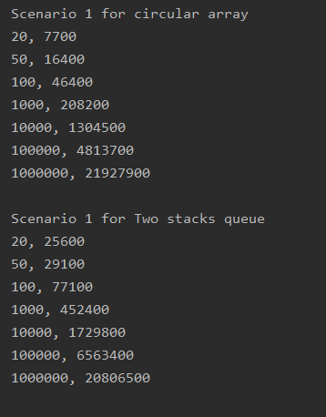
 | Scenario 1
 |  | Time
N | Circular array | Two Stacks queue
20 | 7700 | 25600
50 | 16400 | 29100
100 | 46400 | 77100
1000 | 208200 | 452400
10000 | 1304500 | 1729800
100000 | 4813700 | 6563400
1000000 | 21927900 | 20806500

Sheet3
 | Scenario 1
 |  | Time
N | Circular array | Two Stacks queue
20 | 8600 | 25600
50 | 16400 | 30200
Scenario 1
100 | 40200 | 491800
1000 | 224000 | 648600
10000 | 1224800 | 8680200
100000 | 4501700 | 4135300
1000000 | 24451100 | 18949100

Sheet4
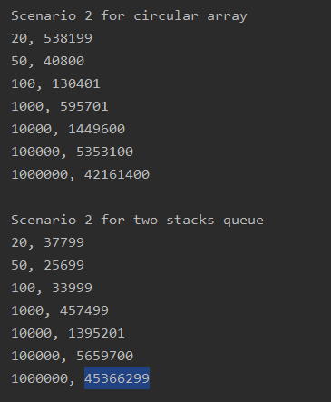
 | Scenario 2
 |  | Time
N | Circular array | Two Stacks queue
20 | 538199 | 37799
50 | 40800 | 25699
100 | 130401 | 33999
1000 | 595701 | 457499
10000 | 1449600 | 1395201
100000 | 5353100 | 5659700
1000000 | 42161400 | 45366299

Sheet6
 | Scenario 2
Scenario 2
N | Circular array Queue | Two Stacks Queue
20 | 1360700 | 41400
50 | 61700 | 37400
100 | 380600 | 88600
1000 | 878501 | 666800
10000 | 3727301 | 6013101
100000 | 25781800 | 43587800
1000000 | 207184900 | 77290900

Sheet7
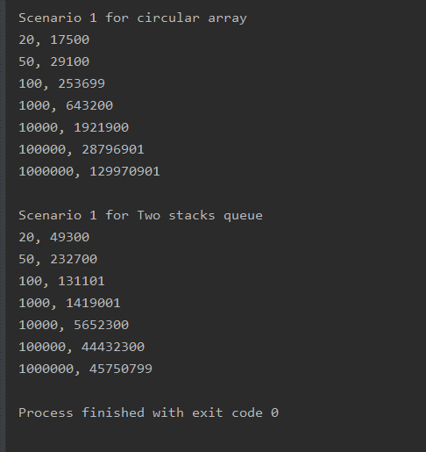
 | Scenario 1
 |  | Time
N | Circular array queue | Two Stacks queue
20 | 17500 | 49300
50 | 29100 | 232700
100 | 253699 | 131101
Scenario 1
1000 | 643200 | 1419001
10000 | 1921900 | 5652300
100000 | 28796901 | 44432300
1000000 | 129970901 | 45750799

Sheet7 (2)
 | Scenario 1
 |  | Time
N | Circular array queue | Two Stacks queue
20 | 24500 | 89800
50 | 76000 | 56500
100 | 624600 | 183200
Scenario 1
1000 | 1201300 | 1060300
10000 | 2162300 | 8839700
100000 | 24647500 | 22135800
1000000 | 89075700 | 51242200

Scenario 1

Sheet6 (2)
 | Scenario 2

N | Circular array Queue | Two Stacks Queue
20 | 894200 | 46100
50 | 99600 | 4100
100 | 258300 | 8100
1000 | 2292300 | 79800
10000 | 16853800 | 2005600
100000 | 53052700 | 24058600
1000000 | 259055800 | 145412900

Scenario 2

